Dala Sales & Deliveries
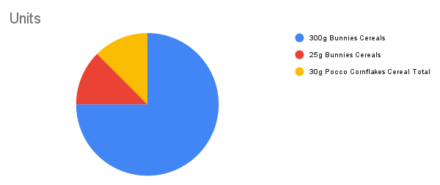
Total Invoices Delivered | 6.00 | Sku Performance | Units | Value
Unique Locations Supplied | 6.00 | 300g Bunnies Cereals | 3.00 | 61,395.36
Total Value of orders | 78,195.36 | 25g Bunnies Cereals | 0.50 | 8,400.00
 |  | 30g Pocco Cornflakes Cereal Total | 0.50 | 8,400.00
 |  | 350g Pocco Cornflakes Cereal Total | 0.00 | 0.00
 |  |  | 0.00 | 0.00
 |  |  | 0.00 | 0.00
 |  |  | 0.00 | 0.00
 |  |  | 0.00 | 0.00
 |  |  | 0.00 | 0.00
 |  |  | 0.00 | 0.00
 |  |  | 0.00 | 0.00
 |  |  | 0.00 | 0.00

